Sheet1
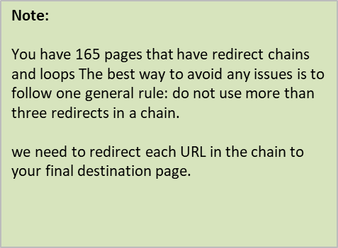
page URL | Chain URL
https://www.meetauto.ca/ | (302) https://www.meetauto.ca/ads/add
 | (301) http://www.meetauto.ca/users/login
 | (200) https://www.meetauto.ca/users/login

